Sheet1
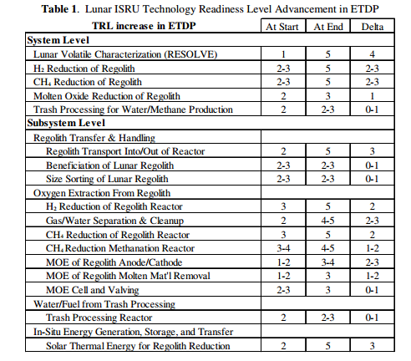
Lunar ISRU
Efficiency | Cost Attriubute | TRL | Cost B$
0.1 | 0 | 2 | 19
5 | 0.3
10 | 1

Lunar ISRU

Rapp, Donald. Human Missions to Mars. Praxis Publishing Limited, Chichester, UK, 2007.

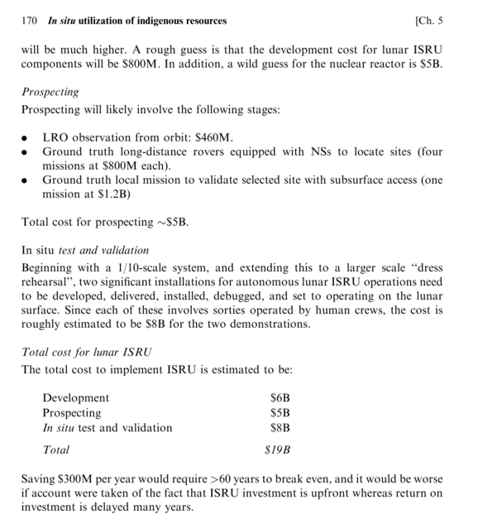

Ishimatsu, Takuto, et al. "A Generalized Multi-Commodity Network Flow Model for Space Exploration Logistics." SPACE (2013).

Larson, William, Gerald Sanders, and Mark Hyatt. "ISRU–From Concept to Reality: NASA Accomplishments and Future Plans." AIA a space 2011 conference and exposition, Long Beach, California, AIAA. Vol. 7114. 2011.

